Dashboard
COMPANY SALES DATA

CITY ORDER HEATMAP
CITY PROFITS

PRODUCT PROFITS

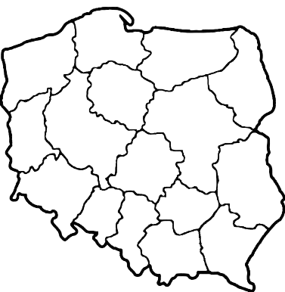
 | Monday
Krakow | 53 | 53 | 48 | 57 | 65 | 65 | 58
Lodz | 58 | 45 | 47 | 39 | 39 | 56 | 39
Warsaw | 43 | 38 | 56 | 57 | 44 | 60 | 38
Wroclaw | 44 | 44 | 40 | 62 | 46 | 50 | 40

CUSTOMER SEGMENT SALE DISTRIBUTION
TOTAL PROFIT
 |  |  |  |  |  |  |  |  |  |  | COUNTUNIQUE of Order ID | Weekday helper | Order Weekday
 |  |  |  |  |  |  |  |  |  | €224,078 |  | 1.00 | 1.00 Total | 2.00 | 2.00 Total | 3.00 | 3.00 Total | 4.00 | 4.00 Total | 5.00 | 5.00 Total | 6.00 | 6.00 Total | 7.00 | 7.00 Total
 |  |  |  |  |  |  |  |  |  |  | City | Monday |  | Tuesday |  | Wednesday |  | Thursday |  | Friday |  | Saturday |  | Sunday
 |  |  |  |  |  |  |  |  |  |  | Krakow | 53 | 53 | 48 | 48 | 57 | 57 | 65 | 65 | 65 | 65 | 58 | 58 | 54 | 54 |  |  | Order returned | COUNTUNIQUE of Order ID | COUNTUNIQUE of Order ID |  | X | Y | Color | Value
 |  |  |  |  |  |  |  |  |  |  | Lodz | 58 | 58 | 45 | 45 | 47 | 47 | 39 | 39 | 39 | 39 | 56 | 56 | 39 | 39 | Paper | 284 | FALSE | 1354 | 99.19% | Krakow | 2.5 | 1.5 | 1 | £77,365
 |  |  |  |  |  |  |  |  |  |  | Warsaw | 43 | 43 | 38 | 38 | 56 | 56 | 57 | 57 | 44 | 44 | 60 | 60 | 38 | 38 | Binders and Binder Accessories | 200 | TRUE | 11 | 0.81% | Lodz | 1.5 | 4.8 | 2 | £85,291
FURNİTURE
OFFICE SUPPLIES
TECHNOLOGY
 |  |  |  |  |  |  |  |  |  |  | Wroclaw | 44 | 44 | 44 | 44 | 40 | 40 | 62 | 62 | 46 | 46 | 50 | 50 | 40 | 40 | Telephones and Communication | 194 | Grand Total | 1365 | 100.00% | Warsaw | 3 | 5.8 | 3 | £75,845
 |  |  |  |  |  |  |  |  |  |  |  |  |  |  |  |  |  |  |  |  |  |  |  |  |  | Office Furnishings | 185 |  |  |  | Wroclaw | -1.5 | 3 | 4 | -£14,424
 |  |  |  |  |  |  |  |  |  |  |  |  |  |  |  |  |  |  |  |  |  |  |  |  |  | Computer Peripherals | 174 |  |  |  |  | 10 | 10
TOTAL SALES
 |  |  |  |  |  |  |  |  |  | €1,924,338 |  |  |  |  |  |  |  |  |  |  |  |  |  |  |  |  |  |  |  |  |  | -5

TOP 5 PRODUCT CATEGORIES

 |  |  |  |  |  |  |  | Krakow | £77,365
 |  |  |  |  |  |  |  | Lodz | £85,291
 |  |  |  |  |  |  |  | Warsaw | £75,845
 |  |  |  |  |  |  |  | Wroclaw | -£14,424

SALES / PROFIT TIMELINE


TOTAL ORDERS
RETURNED ORDERS
% OF ORDERS RETURNED
1365 |  |  | 11 |  |  | 0.81%

